SM MAP
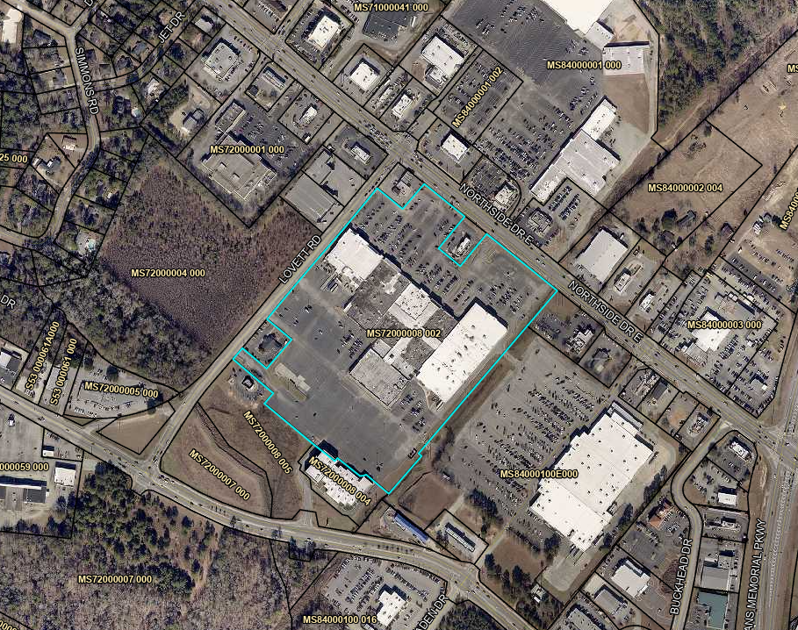

17

9
10
14
6
15
11
16

2
12

1
7
8

3

5
13

4

